Instructions
1 | ***Please save your organization's Budget Worksheet as: (your organization's FULLY TYPED name) Budget Worksheet***

2 | Please make sure that you fully type out your organization's name in the "Organization Name" box on the Programming tab. You may include the acronym (for example: SGA) after your organization's name. The other tabs will fill in automatically.

3 | Look at the bottom of Excel. There are 5 separate tabs. Please read all instructions before filling out the Programming, Travel, and Capital tabs. The Totals tab is for COF use only and the numbers will automatically fill in.

4 |  | PLEASE DO NOT ADJUST THE FIELDS OR FORMULAS. IF YOU NEED A LARGER FORM, OR HELP WITH FILLING OUT YOUR WORKSHEET, PLEASE EMAIL COF AT THE FOLLOWING EMAIL ADDRESS: cof@mansfield.edu

5 | There are several different colored fields in each tab. These are to help organize the numbers.
 | The colors are: Gray, , Blue (shades), Red (shades), Green (shades), Purple, and White.

6 |  | What to Enter in the Gray Field:
 |  | In this field you are to enter only text. These fields are for the organization name, the titles of each program (event on campus/in town), travel item (trip off campus/out of town), or capital item (project)(item to be stored as inventory for the group, NOT giveaways). You must also include the specific breakdown for each request's items. See examples below.

7 |  | What to Enter in the Blue Fields:
 |  | In these fields you are to enter the number amounts for your requests.

8 |  | LIGHT BLUE FIELDS:
 |  | ITEM: This is where you enter the amount for each separate item that make up each programming event, travel trip, or capital project. Do not combine multiple items on one line, such as "food and decorations" or "hotel and van." Each item needs to be on a separate line. See examples below.

9 |  | DARK BLUE FIELDS:
 |  | EVENT, TRIP, PROJECT: This is where you will enter the total amount for each event, trip, or project. It is the total of all the items for that event, trip, or project. The amounts of the light blue fields should add up to equal the amount in the corresponding dark blue field. Make sure these numbers add up. If they are not the same, then re-check your math and requested amounts. See examples below.

10 |  | DO NOT ENTER ANYTHING IN THE RED, GREEN, OR PURPLE FIELDS OR CELLS:
 |  | These are for COF purposes only. Once COF reviews your organization's submitted budget, these fields will indicate the amounts that COF approves, denies, and why changes were made, specific stipulations, and notes.

 |  | EXAMPLES ON NEXT PAGE. There are examples for the Programming, Travel, and Capital sheets.

Fully type out name
If there is a number here, your math is correct. If it says "FALSE" then there is a math error.
 | PROGRAMMING EXAMPLE

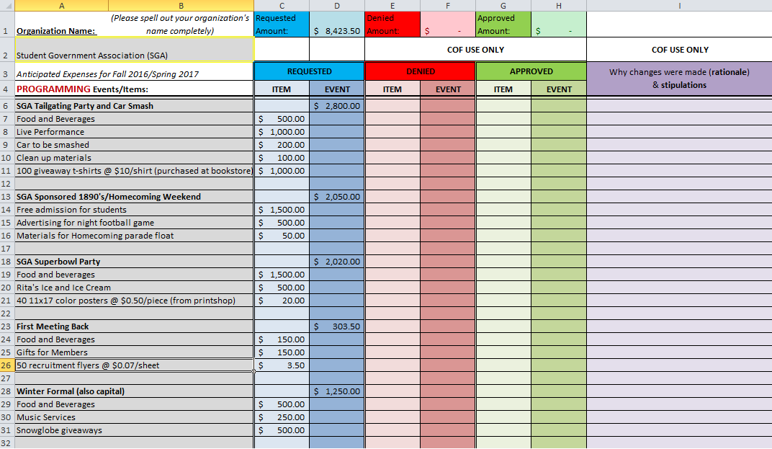

Name of event (bold)

items for event
Total amount for each event

COF will be using these red, green, and purple column during the budget meetings to express changes from the original requests. Please leave these blank.

*Note the reference
Item amounts

 | Enter the Name/Title of the event in bold and list the items beneath. You may leave spaces between events if it make it easier to tell them apart.
 | If you make math errors when adding up the items for the EVENT column, the Requested Amount will say FALSE. This will help eliminate math errors.
 | *See Winter Formal. Notice the (also capital). This tells COF that there are additional capital items being requested for this event.
 | If you have any question of whether an item should be in programming or capital, please contact cof@mansfield.edu

The organization name has automatically filled in from Programming sheet.
If there is a number here, your math is correct. If it says "FALSE" then there is a math error.
 | TRAVEL EXAMPLE

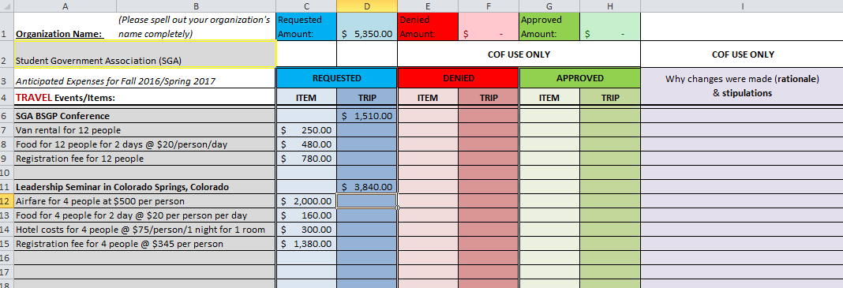

Each item amount
Total for each Trip

COF will be using these red, green, and purple column during the budget meetings to express changes from the original requests. Please leave these blank.

Title/Name of Trips (bold)

 | Clearly indicate how many people will be going on the trip.
 | For food, hotel, airfare, registration, etc. Please indicate the number of people, number of days, and cost per person.
 | "12 registrations @ $30/person" |  | "12 people for 2 days @ $20 /person/day" | "4 people @ $75/person/1 night for 1 room"
 | If you make math errors when adding up the items for the TRIP column, the Requested Amount will say FALSE. This will help eliminate math errors.
Please be advised: The MAXIMUM dollar amount limit for food is $40.00 for travel per day per person with the following meal breakdown: Breakfast - $10.00; Lunch - $12.00; and Dinner - $18.00. But these amounts are NOT guaranteed and will most likely NOT be funded for the 2016/2017 academic year based on budget restrictions.
Hotel Costs are limited to a maximum $75.00 per person per day .
Be sure to include subtitles that indicate cost per person per day (as shown above). This will help COF and SGA understand how much is being spent per person. This will also help your organization if your members would like to request funds for additional students to attend a travel event.

The organization name has automatically filled in from Programming sheet.
If there is a number here, your math is correct. If it says "FALSE" then there is a math error.
 | CAPITAL EXAMPLE
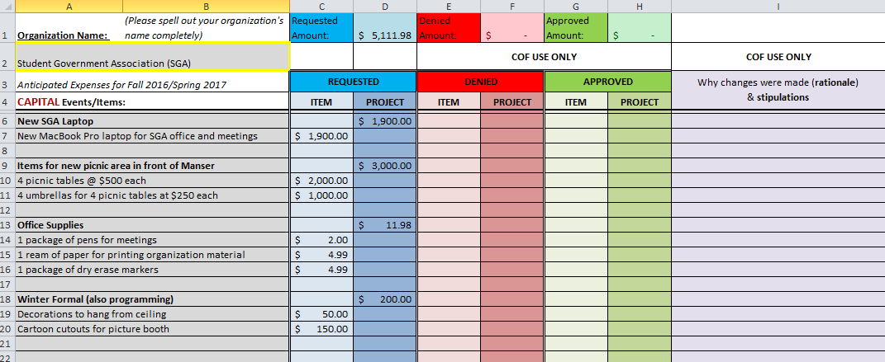

COF will be using these red, green, and purple column during the budget meetings to express changes from the original requests. Please leave these blank.

Title/Name of Projects (bold)

 | Indicate the price per item, please be detailed
 |  | "4 picnic tables at $500 each" NOT "picnic tables"
 |  | "one package of pens for meetings" NOT "pens"

 | If you are requesting a capital item allocation that has a cost greater than $250.00, bids must be solicited from at least three sources. You may include bids with your submitted budget files in your organization's Desire2Learn Dropbox or you may list your prices and sources under each capital item on the Detailed Budget Sheet. Note: This document is the Budget Worksheet, not the Detailed Budget Sheet. Your organization must fill out both sheets.

 | All prizes and giveaways purchased using SGA funds must be bought from the Campus Bookstore "Mountie Den"
 | All t-shirts for organizations much be purchased from the Campus Bookstore "Mountie Den"
 | If you have any question of whether an item should be in programming or capital, please contact cof@mansfield.edu

